ZC SWAP
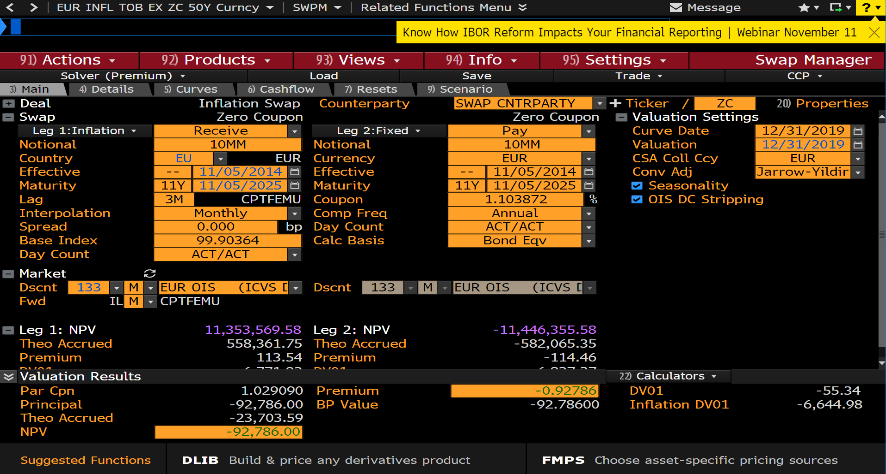
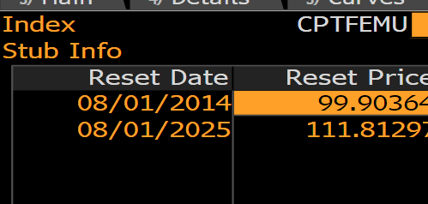
Pay Date | Accrual Start | Accrual End | Days | Notional | Principal | Reset Date | Reset Rate | Reset Price | Payment | Discount | PV
11/05/2025 | 11/05/2014 | 11/05/2025 | 4018 | 10000000 | 10000000 | 08/01/2025 | 11.92082 | 111.81297 | 11192081.58 | 1.014429 | 11353569.58

 |  |  |  |  |  |  | 1.1191191191 | 11191191.191 | 11352668.889

 |  |  |  |  |  | FX | 1.12126 |  | 12729293.518

YOY swap
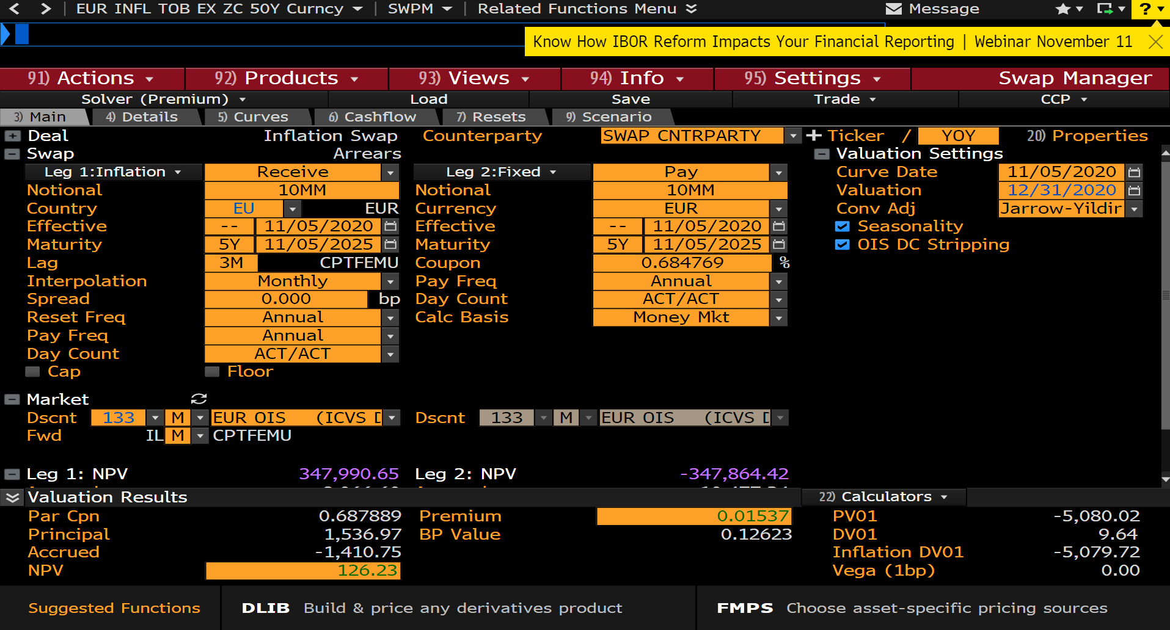
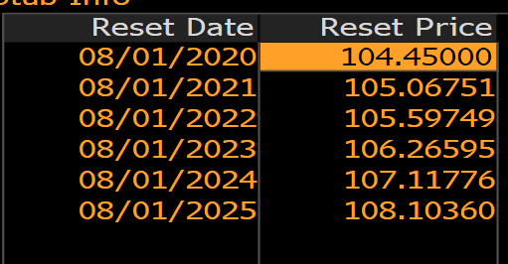
Pay Date | Accrual Start | Accrual End | Days | Notional | Principal | Reset Date | Reset Rate | Reset Price | Payment | Discount | PV
11/05/2021 | 11/05/2020 | 11/05/2021 | 365 | 10000000 | 0 | 08/01/2021 | 0.5912 | 105.06751 | 59094.77 | 1.004633 | 59368.57
11/07/2022 | 11/05/2021 | 11/07/2022 | 367 | 10000000 | 0 | 08/01/2022 | 0.50192 | 105.59749 | 50466.77 | 1.010639 | 51003.67
11/06/2023 | 11/07/2022 | 11/06/2023 | 364 | 10000000 | 0 | 08/01/2023 | 0.62742 | 106.26595 | 62570.59 | 1.01661 | 63609.9
11/05/2024 | 11/06/2023 | 11/05/2024 | 365 | 10000000 | 0 | 08/01/2024 | 0.7927 | 107.11776 | 79086.56 | 1.022 | 80826.49
11/05/2025 | 11/05/2024 | 11/05/2025 | 365 | 10000000 | 0 | 08/01/2025 | 0.90803 | 108.1036 | 90764.17 | 1.026621 | 93180.36

